Comparisions
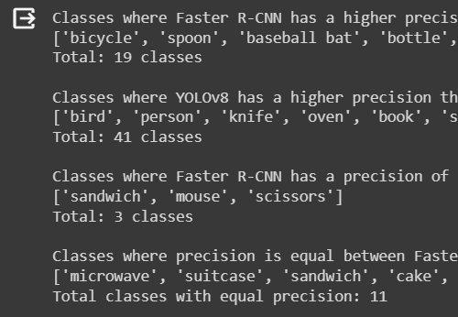
Class | Precision_Comparison | Recall_Comparison | AP_Comparision
bird | Faster R-CNN < YOLOv8 | Faster R-CNN > YOLOv8 | Faster RCNN > YOLOv8
person | Faster R-CNN < YOLOv8 | Faster R-CNN > YOLOv8 | Faster RCNN < YOLOv8
knife | Faster R-CNN < YOLOv8 | Faster R-CNN > YOLOv8 | Faster RCNN < YOLOv8
oven | Faster R-CNN < YOLOv8 | Equal Recall | Faster RCNN < YOLOv8
microwave | Equal Precision | Faster R-CNN > YOLOv8 | Faster RCNN = YOLOv8
book | Faster R-CNN < YOLOv8 | Faster R-CNN > YOLOv8 | Faster RCNN < YOLOv8
bicycle | Faster R-CNN > YOLOv8 | Faster R-CNN > YOLOv8 | Faster RCNN > YOLOv8
sports ball | Faster R-CNN < YOLOv8 | Faster R-CNN > YOLOv8 | Faster RCNN < YOLOv8
tennis racket | Faster R-CNN < YOLOv8 | Faster R-CNN > YOLOv8 | Faster RCNN = YOLOv8
frisbee | Faster R-CNN < YOLOv8 | Equal Recall | Faster RCNN < YOLOv8
bus | Faster R-CNN < YOLOv8 | Equal Recall | Faster RCNN = YOLOv8
car | Faster R-CNN < YOLOv8 | Faster R-CNN > YOLOv8 | Faster RCNN < YOLOv8
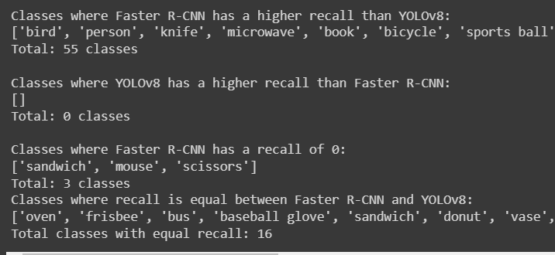
suitcase | Equal Precision | Faster R-CNN > YOLOv8 | Faster RCNN < YOLOv8
giraffe | Faster R-CNN < YOLOv8 | Faster R-CNN > YOLOv8 | Faster RCNN < YOLOv8
dining table | Faster R-CNN < YOLOv8 | Faster R-CNN > YOLOv8 | Faster RCNN < YOLOv8
cup | Faster R-CNN < YOLOv8 | Faster R-CNN > YOLOv8 | Faster RCNN < YOLOv8
spoon | Faster R-CNN > YOLOv8 | Faster R-CNN > YOLOv8 | Faster RCNN < YOLOv8
baseball bat | Faster R-CNN > YOLOv8 | Faster R-CNN > YOLOv8 | Faster RCNN > YOLOv8
baseball glove | Faster R-CNN < YOLOv8 | Equal Recall | Faster RCNN < YOLOv8
elephant | Faster R-CNN < YOLOv8 | Faster R-CNN > YOLOv8 | Faster RCNN < YOLOv8
bottle | Faster R-CNN > YOLOv8 | Faster R-CNN > YOLOv8 | Faster RCNN < YOLOv8
banana | Faster R-CNN > YOLOv8 | Faster R-CNN > YOLOv8 | Faster RCNN > YOLOv8
sandwich | Equal Precision | Equal Recall | Faster RCNN > YOLOv8
bench | Faster R-CNN < YOLOv8 | Faster R-CNN > YOLOv8 | Faster RCNN < YOLOv8
teddy bear | Faster R-CNN > YOLOv8 | Faster R-CNN > YOLOv8 | Faster RCNN < YOLOv8
chair | Faster R-CNN < YOLOv8 | Faster R-CNN > YOLOv8 | Faster RCNN < YOLOv8
donut | Faster R-CNN < YOLOv8 | Equal Recall | Faster RCNN < YOLOv8
fork | Faster R-CNN < YOLOv8 | Faster R-CNN > YOLOv8 | Faster RCNN = YOLOv8
cake | Equal Precision | Faster R-CNN > YOLOv8 | Faster RCNN < YOLOv8
potted plant | Faster R-CNN < YOLOv8 | Faster R-CNN > YOLOv8 | Faster RCNN < YOLOv8
vase | Faster R-CNN < YOLOv8 | Equal Recall | Faster RCNN > YOLOv8
bowl | Faster R-CNN < YOLOv8 | Faster R-CNN > YOLOv8 | Faster RCNN > YOLOv8
broccoli | Faster R-CNN < YOLOv8 | Faster R-CNN > YOLOv8 | Faster RCNN < YOLOv8
orange | Faster R-CNN > YOLOv8 | Faster R-CNN > YOLOv8 | Faster RCNN > YOLOv8
umbrella | Faster R-CNN < YOLOv8 | Faster R-CNN > YOLOv8 | Faster RCNN < YOLOv8
snowboard | Faster R-CNN > YOLOv8 | Faster R-CNN > YOLOv8 | Faster RCNN > YOLOv8
airplane | Faster R-CNN > YOLOv8 | Faster R-CNN > YOLOv8 | Faster RCNN < YOLOv8
truck | Faster R-CNN < YOLOv8 | Faster R-CNN > YOLOv8 | Faster RCNN < YOLOv8
traffic light | Faster R-CNN > YOLOv8 | Faster R-CNN > YOLOv8 | Faster RCNN > YOLOv8
kite | Faster R-CNN < YOLOv8 | Faster R-CNN > YOLOv8 | Faster RCNN < YOLOv8
laptop | Faster R-CNN > YOLOv8 | Faster R-CNN > YOLOv8 | Faster RCNN > YOLOv8
cell phone | Faster R-CNN > YOLOv8 | Faster R-CNN > YOLOv8 | Faster RCNN > YOLOv8
skis | Faster R-CNN > YOLOv8 | Faster R-CNN > YOLOv8 | Faster RCNN > YOLOv8
backpack | Faster R-CNN > YOLOv8 | Faster R-CNN > YOLOv8 | Faster RCNN > YOLOv8
dog | Faster R-CNN < YOLOv8 | Faster R-CNN > YOLOv8 | Faster RCNN < YOLOv8
sink | Faster R-CNN < YOLOv8 | Faster R-CNN > YOLOv8 | Faster RCNN < YOLOv8
tv | Faster R-CNN < YOLOv8 | Equal Recall | Faster RCNN = YOLOv8
skateboard | Equal Precision | Faster R-CNN > YOLOv8 | Faster RCNN < YOLOv8
handbag | Faster R-CNN > YOLOv8 | Faster R-CNN > YOLOv8 | Faster RCNN > YOLOv8
boat | Faster R-CNN > YOLOv8 | Faster R-CNN > YOLOv8 | Faster RCNN > YOLOv8
train | Equal Precision | Equal Recall | Faster RCNN < YOLOv8
tie | Faster R-CNN < YOLOv8 | Faster R-CNN > YOLOv8 | Faster RCNN < YOLOv8
cat | Faster R-CNN < YOLOv8 | Faster R-CNN > YOLOv8 | Faster RCNN < YOLOv8
carrot | Faster R-CNN < YOLOv8 | Faster R-CNN > YOLOv8 | Faster RCNN < YOLOv8
couch | Faster R-CNN < YOLOv8 | Faster R-CNN > YOLOv8 | Faster RCNN < YOLOv8
clock | Faster R-CNN < YOLOv8 | Faster R-CNN > YOLOv8 | Faster RCNN < YOLOv8
mouse | Equal Precision | Equal Recall | Faster RCNN > YOLOv8
remote | Faster R-CNN < YOLOv8 | Faster R-CNN > YOLOv8 | Faster RCNN < YOLOv8
motorcycle | Faster R-CNN < YOLOv8 | Faster R-CNN > YOLOv8 | Faster RCNN = YOLOv8
refrigerator | Faster R-CNN > YOLOv8 | Faster R-CNN > YOLOv8 | Faster RCNN < YOLOv8
wine glass | Faster R-CNN < YOLOv8 | Faster R-CNN > YOLOv8 | Faster RCNN < YOLOv8
bed | Faster R-CNN > YOLOv8 | Faster R-CNN > YOLOv8 | Faster RCNN > YOLOv8
pizza | Faster R-CNN < YOLOv8 | Equal Recall | Faster RCNN < YOLOv8
toilet | Faster R-CNN < YOLOv8 | Equal Recall | Faster RCNN < YOLOv8
scissors | Equal Precision | Equal Recall | Faster RCNN > YOLOv8
toothbrush | Faster R-CNN > YOLOv8 | Faster R-CNN > YOLOv8 | Faster RCNN > YOLOv8
hot dog | Faster R-CNN < YOLOv8 | Faster R-CNN > YOLOv8 | Faster RCNN < YOLOv8
zebra | Equal Precision | Equal Recall | Faster RCNN = YOLOv8
bear | Equal Precision | Equal Recall | Faster RCNN = YOLOv8
stop sign | Equal Precision | Equal Recall | Faster RCNN = YOLOv8
horse | Faster R-CNN < YOLOv8 | Faster R-CNN > YOLOv8 | Faster RCNN < YOLOv8

